ART
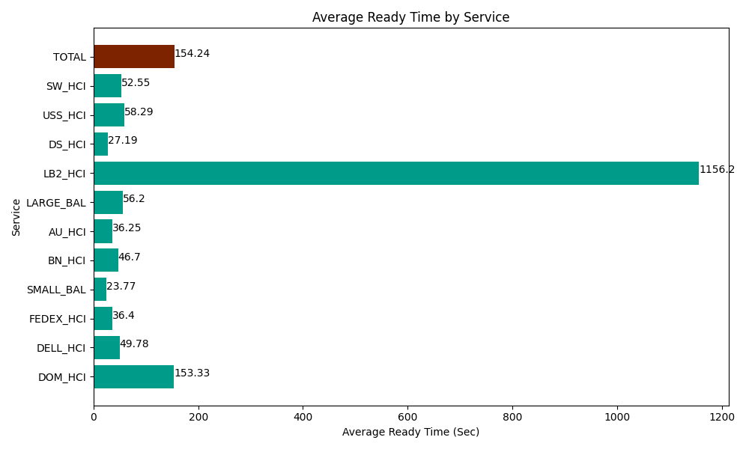
Date | Service | Successful Op Transfer | In Call (Sec) | Ready (Sec) | Wrapup (Sec) | Not Ready (Sec) | Average Ready Time (Sec)
04-15-2024 | DOM_HCI | 27 | 1892.9999542 | 4140 | 2341.7999268 | 83.999998569 | 153.33
04-15-2024 | DELL_HCI | 77 | 5734.1999817 | 3832.8000641 | 15218.999634 | 2665.1998901 | 49.78
04-15-2024 | FEDEX_HCI | 139 | 16542.000732 | 5059.1999817 | 14674.200439 | 10251.000366 | 36.4
04-15-2024 | SMALL_BAL | 84 | 3490.8000183 | 1996.7999268 | 4963.8002014 | 2659.1999817 | 23.77
04-15-2024 | BN_HCI | 920 | 53956.201172 | 42962.999268 | 110785.20264 | 70849.797363 | 46.7
04-15-2024 | AU_HCI | 161 | 15259.200439 | 5836.7999268 | 16363.800659 | 10885.19989 | 36.25
04-15-2024 | LARGE_BAL | 6 | 450 | 337.19999313 | 976.20002747 | 20.999999642 | 56.2
04-15-2024 | LB2_HCI | 1 | 304.79999542 | 1156.2000275 | 37.200000286 | 30 | 1156.2
04-15-2024 | DS_HCI | 863 | 53458.198242 | 23467.199707 | 92758.198242 | 79687.800293 | 27.19
04-15-2024 | USS_HCI | 115 | 16485 | 6703.8002014 | 14530.799561 | 10680 | 58.29
04-15-2024 | SW_HCI | 168 | 5580 | 8828.9996338 | 13558.200073 | 9136.7999268 | 52.55
 | TOTAL | 2561 | 173153.40054 | 104321.99873 | 286208.4014 | 196949.99771 | 154.24

